example
 |  | example | ﻿ | Plasmon_Wavelength |  |  | ﻿ | Plasmon_Wavelength
 |  | panel #1 | HPC | 530.8535987 | 0.28692844688 | panel #1 | HPC |  | -270.25141741 | 1. Put the new experiment result, plasmon wavelength
Calibration panel 1 |  |  | NIST | 530.41763113 | 0.057766040289 |  | NIST |  |  | 2. Calculate (new plasmon wave length -historical minimun)/(historical maximum-historical minimum)
tocilizumab | 0 |  | Toc | 530.41763113 | 0.057766040289 |  | Toc |  |  | 3. Calculate the slope and intercept
cetuximab | 0.466504453 |  | Cet | 531.17222948 | 0.45441383754 |  | Cet |  |  | 3. Calculate the term: ((1-slope)^2 + (intercept)^2 ) Using the Solver (/Data), fit the parameter, minimizing ((1-slope) + (intercept)^2 )^2
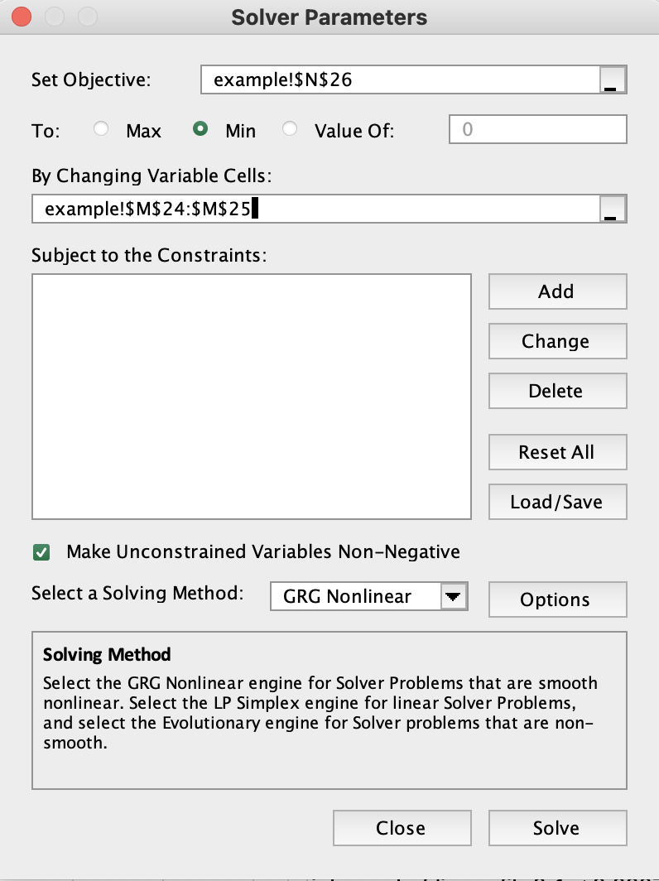
evolocumab | 0.358658331 |  | Evo | 530.99870391 | 0.36320168851 |  | Evo
denosumab | 0.085485837 |  | Den | 530.42571347 | 0.062014446354 |  | Den
omalizumab | 1 |  | Oma | 532.24145053 | 1.016440208 |  | Oma
pembrolizumab | 0.221177043 |  | Pem | 530.65584538 | 0.18298120538 |  | Pem
((1-slope) + (intercept)^2 )^2
 |  | sample | A | 531.12527706 | 0.42973372208 | sample | A
 |  |  | B | 531.26400473 | 0.50265466645 |  | B
 |  |  | C | 530.18175167 | -0.066221866839 |  | C
 |  |  | D | 530.53830727 | 0.12119835937 |  | D
two parameter
 |  |  | E | 530.17752981 | -0.068441047124 |  | E
 |  |  | F | 530.59320343 | 0.15005403114 |  | F
 |  |  | G | 530.14115209 | -0.087562669283 |  | G
 |  |  | H | 530.04287838 | -0.13921935485 |  | H

 |  |  |  | 530.30773475 | 1.0003120519 |  |  | 531.0142535
 |  |  |  | 532.21017403 | 0.00072108696449 |  |  | 532.9791433
 |  |  |  |  | 6.1734281027E-07

click
 |  |  |  |  | slop of linear fit 0.9 < 1.0003 < 1.1
 |  |  |  |  | intercept of linear fit -0.1 < 0.0007 < 0.1
 |  |  |  |  | R^2 of linear fit > 0.9

